SCT quick tips
Tip 1: | Tip 2:
🛈 You must enter a response into every cell on each row, unless the cell is dark grey. | 🛈 When you enter a response that is not compliant, the cell will turn red.
For example, if a staff member does not hold a practising certificate an expiry date will not need to be entered. The cell will automatically turn dark grey to indicate that nothing needs to be entered: | Example 1: A teacher’s last safety check was completed on 6 July 2018, and therefore the next safety check is due by 6 July 2021. The service received a satisfactory police vet that meets criteria, however the results were not received until 14 July 2021. The tool will indicated that the police vet was not received on time and is therefore not compliant. However, if the police vet is received on time the cell does not turn red.
 | 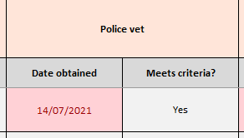 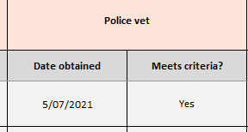
However, if the staff member does hold a practising certificate the cell will not turn dark grey and the expiry date should be entered: | Not compliant Compliant
 | Example 2: A risk assessment was completed on time, however it does not meet criteria. The tool will indicated that this is not complaint. However, if the risk assessment did meet criteria, the cell does not turn red.
 | 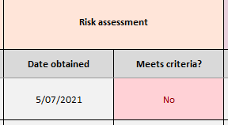 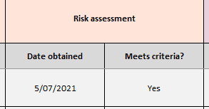
Note: If the cell is not dark grey, you must enter a response into it, if you don’t the result of the safety check will not be accurate. This includes the 'Meet criteria?' sections when the safety checking component was not required. Please refer to the User Guide for step-by-step instructions on how to complete each section of the tool. | Not compliant Compliant Note: Please refer to the User Guide for step-by-step instructions on how to complete each section of the tool.

PVT quick tips
Tip 1:
🛈 Section 1 always needs to be completed, however the reason for the police vet will determine whether you complete section 2, 3 or 4.
The cells that are not required to be filled out will turn grey.
Tip 2:
🛈 When you enter a response that is not compliant, the cell will turn red.
Example 1: An adult started living in a home that is a licensed home-based service on 10 January 2022, therefore we would expect the police vet to be obtained on or before this date. If the service does not receive the police vet back until 15 January 2022 then the tool will indicate that the police vet was not obtained in time and is therefore not compliant. However, if the police vet is received on time the cell does not turn red.
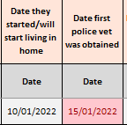 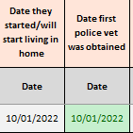
Not compliant Compliant

