Instructions
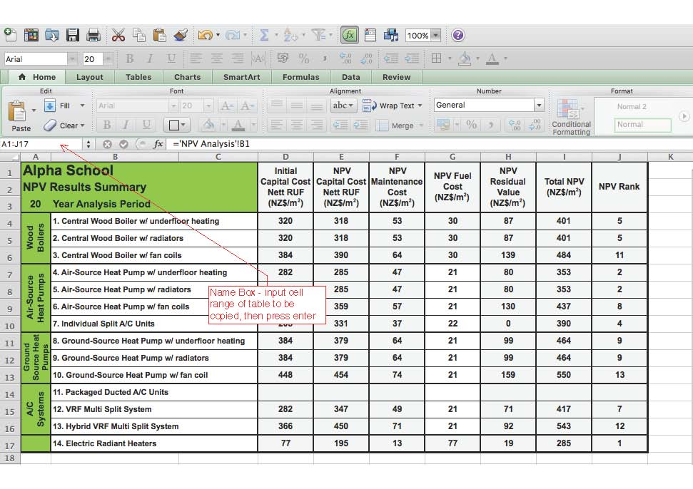
This is the first iteration of the DQLS LCCA Calculator Feedback will be incorporated into future updates

DQLS - IAQTC Life Cycle Cost Analysis Calculator Version 1.0

Introduction

This tool calculates the Life Cycle Cost of heating, and - where applicable - cooling, systems for school building projects. This calculator should be used in conjunction with the Ministry of Education's DQLS - IAQTC document, Version 2. Please refer to Section 1.5 of the DQLS - IAQTC document for further context and guidance.

This tool has been colour coded for simplicity of use. Cells with green text require user input; some inputs may be restricted to values from drop-down lists. The values in cells with black text cannot be altered.

Instructions - Inputs

1 | Input the name of the school project
2 | Select the project Climate Zone and Location from the drop-down lists. To change the 'Climate Zone', first ensure that the 'Location' cell is blank, select 'Climate Zone', then re-select 'Location'. If a location other than a default location is entered, please manually enter Specific Heating & Cooling Loads, and Specific Electricity & Wood Fuel Costs (as applicable).
3 | Input the project floor area; this is the total floor area to be served by the heating/cooling systems.
4 | Select whether mechanical cooling is required to all spaces (cell C8). This should be determined by thermal modelling, in accordance with DQLS - IAQTC Section 1.2, and must be approved by the Ministry. Where mechanical cooling is required to a small proportion of spaces, a separate lifecycle cost analysis should be carried out for those spaces. Systems 4-13 are able to operate in both heating and cooling modes. If mechanical cooling is not required, set the value of cell C8 to 'No'; if it is intended that these systems operate in both heating and cooling modes, set the value to 'Yes'. Note that a 'Yes' value will eliminate all heating-only systems (1-3, 14) from the analysis.
5 | Default annual heating (and, where required, cooling) loads are provided for default locations. These loads are appropriate for preliminary analysis only. Heating & cooling loads should subsequently be approximated using energy modelling, or by other estimation methods. Where loads are expected to differ from the regional defaults provided in the LCCA Calculator, these should be up-dated under ‘Specific Heating Load' and 'Specific Cooling Load’.
6 | Default electricity costs are provided for default locations. These costs are appropriate for preliminary analysis only. Electricity costs should be derived from existing school electricity bills where available; or otherwise local commercial electricty prices should be used. Where project specific pricing is not available to designers, default pricing should be used.
7 | Wood fuel boilers should only be considered where a reliable local supply is available. Default wood fuel costs are appropriate for preliminary analysis only. Wood fuel costs should be derived from existing school supply contracts, where available. Alternatively, quotes should be sought from local wood fuel suppliers, and the costs used in this analysis should be justified in the Options Report.
8 | Select systems to include in the analysis (Column E). Note that where mechanical cooling is required, all heating-only systems (1-3, 14) are automatically excluded.
9 | Include any additional costs associated with a particular system (e.g. electrical transformer up-grades, associated builder’s work, etc.) under ‘Fixed Site Specific Infrastructure Costs’ (Column F). Please enter absolute costs, NOT costs per m2. Do NOT adjust 'Specific Capital Cost' to include these associated costs. Note that unlike other systems, the capital cost of Packaged Ducted A/C Units includes mechanical ventilation. Where mechanical ventilation is required, specific infrastructure costs (Column F) should be used to ensure that provision of mechanical ventilation is included uniformly across all system options. Ascertain the capital cost of mechanical ventilation, and include as a specific infrastructure cost for relevant system types.
10 | To adjust the capital cost/m2 of a particular system to reflect re-use of existing infrastructure, adjust the 'System Re-Use Factor'. A value of 0 (zero) corresponds to nil re-use; a value of 1 (one) corresponds to complete re-use of an existing system. The 'Re-Use Factor' does not affect replacement or maintenance costs. Do NOT adjust 'Specific Capital Cost' to account for system re-use - 'Specific Capital Cost' must reflect the full value of a new system.
11 | Default capital costs are provided for each system type. Where the project Quantity Surveyor & Services Engineer agree that project specific capital costs will differ from the defaults, up-date the values in Column I.
12 | Default heating & cooling conversion efficiencies are provided for each system type.These values are appropriate for preliminary analysis only. Subsequent analyses should use manufacturer's efficiency data for the design conditions at the project location. Use Columns K & M to up-date system efficiencies. Values must be justified in the Options report.

Instructions - Results

1 | Three tables and one chart are provided under the 'Results' tab. These should be copied into the Options Report.
2 | All cells on the Results tab are locked; to copy each of the tables for inclusion in the Options Report:
 | a) Input the cell range of the table into the Name Box (refer image below) and press 'Enter'
 | b) Press Ctrl + C to copy the cell range; the target table will be outlined with a dotted 'copy' line
 | c) Paste the table to the destination document, using the desired format
3 | The bar chart is not locked; copy and paste to the destination document as normal.
4 | The 'NPV Results Summary' table should form the basis for the system selection recommendations, along with other non-economic attributes as described in DQLS - IAQTC Section 1.5
5 | The 'System NPV' bar chart provides a graphic representation of the NPV results.
6 | The 'Project NPV Inputs Summary' table provides a summary of the project characteristics on which the analysis is based.
7 | The 'System NPV Inputs Summary' table provides a summary of the characteristics of each system included in the analysis.

Results
System NPV 20 Years
 | NPV Capital & Replacement Costs (Net of Residual Value) | NPV Maintenance Costs | NPV Fuel Costs | NPV Residual Value
1. Central Wood Boiler w/ underfloor heating | 0 | 0 | 0 | 0
2. Central Wood Boiler w/ radiators | 0 | 0 | 0 | 0
3. Central Wood Boiler w/ fan coils | 0 | 0 | 0 | 0
4. Air-Source Heat Pump w/ underfloor heating | 0 | 0 | 0 | 0
5. Air-Source Heat Pump w/ low temp' radiators | 284,907 | 46,716 | 8,578 | -79,712
6. Air-Source Heat Pump w/ fan coils | 358,573 | 57,318 | 8,578 | -130,404
7. Individual Split A/C Units | 330,852 | 37,183 | 8,763 | 0
8. Ground-Source Heat Pump w/ Underfloor Heating | 0 | 0 | 0 | 0
9. Ground-Source Heat Pump w/ Radiators | 0 | 0 | 0 | 0
10. Ground-Source Heat Pump w/ Fan Coils | 0 | 0 | 0 | 0
11. Packaged Ducted A/C Units | 0 | 0 | 0 | 0
12. VRF Multi Split System | 346,792 | 48,690 | 8,578 | -70,855
13. Hybrid VRF Multi Split System | 450,091 | 71,359 | 8,578 | -91,961
14. Electric Radiant Heaters | 194,691 | 13,295 | 30,669 | -19,347
Alpha School |  |  | Initial Capital Cost Nett RUF (NZ$/m2) | NPV Capital Cost Nett RUF (NZ$/m2) | NPV Maintenance Cost (NZ$/m2) | NPV Fuel Cost (NZ$/m2) | NPV Residual Value (NZ$/m2) | Total NPV (NZ$/m2) | NPV Rank
NPV Results Summary
20 | Year Analysis Period
Wood Boilers | 1. Central Wood Boiler w/ underfloor heating
 | 2. Central Wood Boiler w/ radiators
 | 3. Central Wood Boiler w/ fan coils
Air-Source Heat Pumps | 4. Air-Source Heat Pump w/ underfloor heating
 | 5. Air-Source Heat Pump w/ radiators |  | 282 | 285 | 47 | 9 | 80 | 340 | 2
 | 6. Air-Source Heat Pump w/ fan coils |  | 346 | 359 | 57 | 9 | 130 | 424 | 5
 | 7. Individual Split A/C Units |  | 205 | 331 | 37 | 9 | 0 | 377 | 3
Ground Source Heat Pumps | 8. Ground-Source Heat Pump w/ underfloor heating
 | 9. Ground-Source Heat Pump w/ radiators
 | 10. Ground-Source Heat Pump w/ fan coil
A/C Systems | 11. Packaged Ducted A/C Units
 | 12. VRF Multi Split System |  | 282 | 347 | 49 | 9 | 71 | 404 | 4
 | 13. Hybrid VRF Multi Split System |  | 366 | 450 | 71 | 9 | 92 | 530 | 6
 | 14. Electric Radiant Heaters |  | 77 | 195 | 13 | 31 | 19 | 239 | 1

Alpha School
Project NPV Inputs Summary
Climate Zone |  | Climate_Zone_3
Project Location |  | Nelson
Discount Rate |  | 0.05
Analysis Period |  | 20
Project Floor Area (m2) |  | 1000
Cooling Required? |  | No
Specific Heating Load (kWh/m2/year) |  | 12
Specific Cooling Load (kWh/m2/year) |  | N/A
Specific Electricity Cost (NZ$/kWh) |  | 0.182
Specific Wood Fuel Cost (NZ$/kWh) |  | N/A

Alpha School |  |  | Specific Infrastructure costs (NZ$) | System Re-Use Factor (0 - 1) | Include in Analysis? | Specific Capital Cost (NZ$/m2) | Specific Heating Conversion Efficiency | Specific Cooling Conversion Efficiency
System NPV Inputs Summary
Wood Boilers | 1. Central Wood Boiler w/ underfloor heating |  | 0 | 0.00 | No | N/A | 0.85 | N/A
 | 2. Central Wood Boiler w/ radiators |  | 0 | 0.00 | No | N/A | 0.85 | N/A
 | 3. Central Wood Boiler w/ fan coils |  | 0 | 0.00 | No | N/A | 0.85 | N/A
Air-Source Heat Pumps | 4. Air-Source Heat Pump w/ underfloor heating |  | 0 | 0.00 | No | N/A | 3.5 | N/A
 | 5. Air-Source Heat Pump w/ radiators |  | 0 | 0.00 | Yes | 282 | 3.5 | N/A
 | 6. Air-Source Heat Pump w/ fan coils |  | 0 | 0.00 | Yes | 346 | 3.5 | N/A
 | 7. Individual Split Units |  | 0 | 0.00 | Yes | 205 | 3.5 | N/A
Ground-Source Heat Pumps | 8. Ground-Source Heat Pump w/ underfloor heating |  | 0 | 0.00 | No | N/A | 3.5 | N/A
 | 9. Ground-Source Heat Pump w/ radiators |  | 0 | 0.00 | No | N/A | 3.5 | N/A
 | 10. Ground-Source Heat Pump w/ fan coil |  | 0 | 0.00 | No | N/A | 3.5 | N/A
A/C Systems | 11. Packaged Ducted A/C Units |  | 0 | 0.00 | No | N/A | 3.5 | N/A
 | 12. VRF Multi Split System |  | 0 | 0.00 | Yes | 282 | 3.5 | N/A
 | 13. Hybrid VRF Multi Split System |  | 0 | 0.00 | Yes | 366 | 3.5 | N/A
 | 14. Electric Radiant Heaters |  | 100,000 | 0.00 | Yes | 77 | 1.0 | N/A

